Table 17
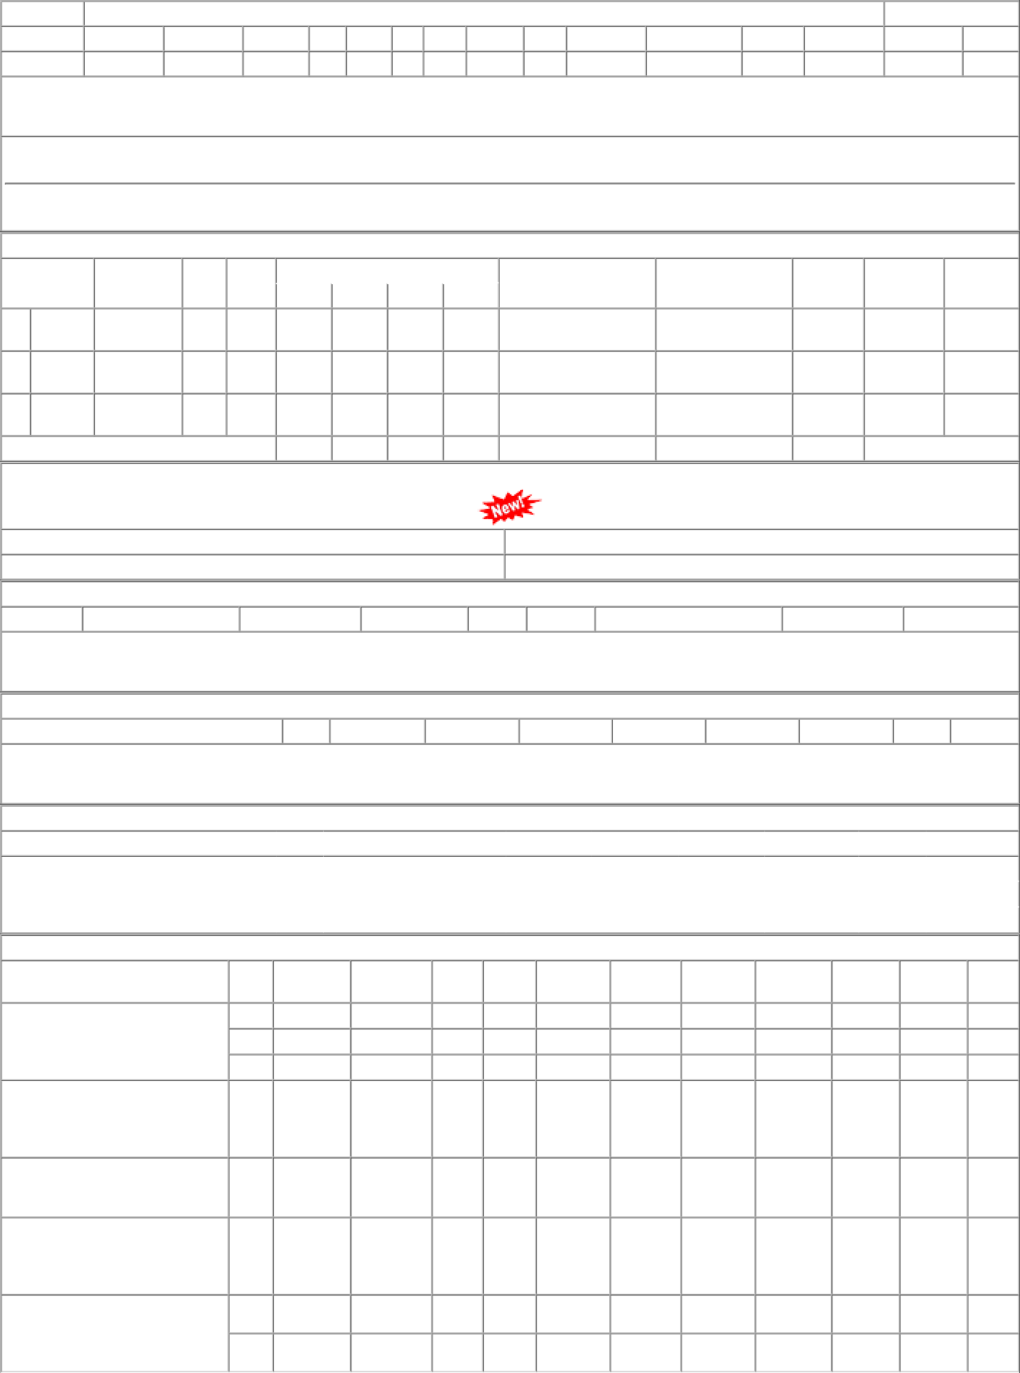
P.O.No.15221213104205 dt.08/08/22 on M/s.INEZ ENGINEERING COMPANY- KOLKATA PO-CAT:[ Reg ] P.O.No.52221042100238 dt.13/02/22 on M/s.COSMOS CORPORATION-MUMBAI PO- CAT:[ Reg ] P.O.No.52211313800748 dt.14/07/21 on M/s.Controller of Stores, JAIPUR PO-CAT:[ Reg ] P.O.No.15211213102947 dt.01/07/21 on M/s.SATYAM ENGINEERING WORKS- NASHIK PO-CAT:[ Dev ] P.O.No.15211213102946 dt.01/07/21 on M/s.INEZ ENGINEERING COMPANY- KOLKATA PO-CAT:[ Reg ] | 001 002 003 001 001 001 001 002 | PL-CR PL-CR BVPW PL-CR PL-CR BVPW PL-CR BVPW | 3773.64 3773.64 3773.64 4543.00 2382.10 1624.00 3304.00 3304.00 | 200 400 60 150 90 20 71 109 | Nos. 0 Nos. 0 Nos. 0 Nos. 0 Nos. 0 Nos. 20 Nos. 0 Nos. 0 | 0 0 0 0 0 0 0 150 0 0 0 0 0 71 0 109 | 09/11/22 31/05/23 31/05/23 05/03/22 13/09/21 30/04/22 30/04/22 30/04/22 | 09/08/22 07/01/23 OP 01/04/23 31/05/23 OP 01/04/23 31/05/23 OP 05/03/22 OP 15/07/21 13/09/21 OP 01/04/22 30/04/22 OX 01/04/22 30/04/22 OP 01/04/22 30/04/22 OP

